Sheet1
Device | Operational Function | Device Model | Parameter list | Device Image | Data extraction method
 |  | Islami Bank Hospital
Patient Monitor Unit | Patient Monitoring unit is a full-featured system that provides comprehensive patient monitoring and review, and ensures most pertinent data appears on the monitor at any given time. | Heal Force Deluxe-100 | →ECG →NIBP →RESP →SPO2 →TEMP | 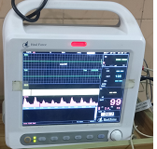 | Network Capability: Through ethernet port
 |  | Euro Bangla Hospital
Patient Monitor Unit | Patient Monitoring unit is a full-featured system that provides comprehensive patient monitoring and review, and ensures most pertinent data appears on the monitor at any given time. | Philips V24E M1205-A | →ECG →NIBP →RESP →SPO2 →TEMP →C.o | 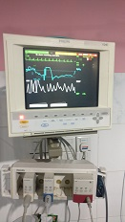 | →Exchange information with compatible devices →SDN
Ventillator | The evolution 3e Ventillaor is designated and designed to provide regular or sporadic mechanical ventilation to patients, requiring ventilatory support through invasive or non-invasive interfaces | eVolution Ventillator System 3e | →Respiratory rate →Tidal Volume →PEEP/CPAP →Peak flow →Oxygen Concentration →Exhalation Sensitivity → Base Flow → PS Tmax →I-times |  | Through Internet and intranet connection
Syringe Pump | It is a small infusion pumo used to gradually administer small amounts of fluid to a patient. In ICU its is used for palliative care to continuously administer anal | Sino Medical Device Technology SN-50C6T | →Calibrated Syringe →Flow rate →Purge rate →Accuracy of flow rate →Range of Volume delivered →Delivery limit →Occlusion detection pressure | 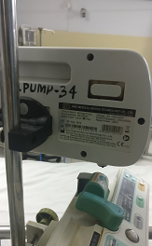
Dialysis Machine | Monitoring of dialysis dose by OCM(Online clearance monitoring ) and plasma sodium measurement. Provides treatment with ultrapure dialysis fluid. Uses hygienic dry bicarbonate concentrate. | Fresenius Medical Care 4008S SN: 3SXAM007 | →Bicarbonate or acetate dialysis →Single needle click-clack →Ultra-filtration and sodium profiles →Isolated Ultrafiltration | 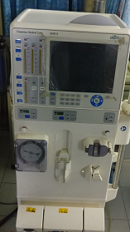

 |  | Medical Centre Ctg
Patient Monitor Unit | Patient Monitoring unit is a full-featured system that provides comprehensive patient monitoring and review, and ensures most pertinent data appears on the monitor at any given time. | Edan M8A | →ECG →NIBP →RESP →SPO2 →TEMP →Pulse rate →CO2 | 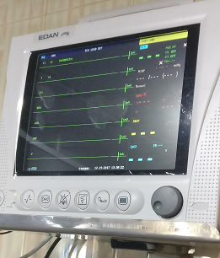 | Through USB data storage
ECG | Analyze and diagnose heart disease and provide real time ECG waveform display | Edan -SE12 | →VCG →Timed VCG →QT dispersion →HRV →Frequency spectrum ECG | 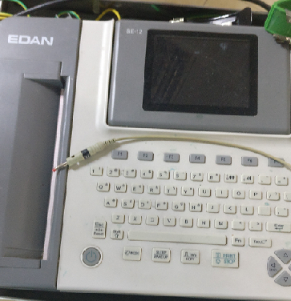 | →ECG can be loaded through USB flash drive →Lan/ Wifi Connection to PC
Pulse Oximeter | Measure heart rate , oxygen saturation in blood | Oxismarter I | →Pulse rate →Blood oxygen saturation →Pleth bar | 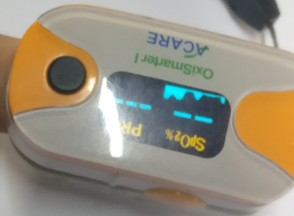
Defibrillator | Treatment for conditions that affect the rhythm of the heart such as cardiac arrythmia ventricular fibrillation , pulseless ventricular tachycardia | Tec-7721k | →ECG monitoring →Sp02 →CO2 →AED →Defibrillation →Pacing →Cardioversion | 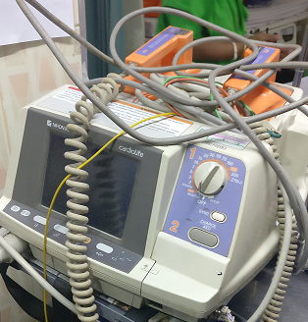 | →Analysed data can be loaded into memory and reviewed on the PC with ECG viewer software →Saved data can be transferred to PC using memory card
Ventilator System | Ventilate breathable air into and out of lungs, to provide breathing for patients having physical breathing problem | Puritan Bennett 840 Ventilator System | →Humidifier →Nebulizer →Inspiratory Bacteria filter →SIMV →IPPV →BIPAP | 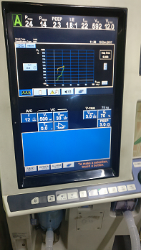 | Several Software option available
Portable Sucker | Suction is used to clear the airway of blood, saliva, vomit, or other secretions so that a patient may breathe. | Portable sucker 7A 23D |  | 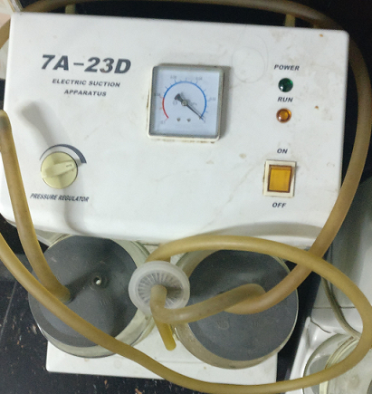
Ultrasonic Echo | It projects ultrasound waves into body tissue and presents the returned echo information on the monitor display | Toshiba Just Vision 400 | Display organs information | 